HW
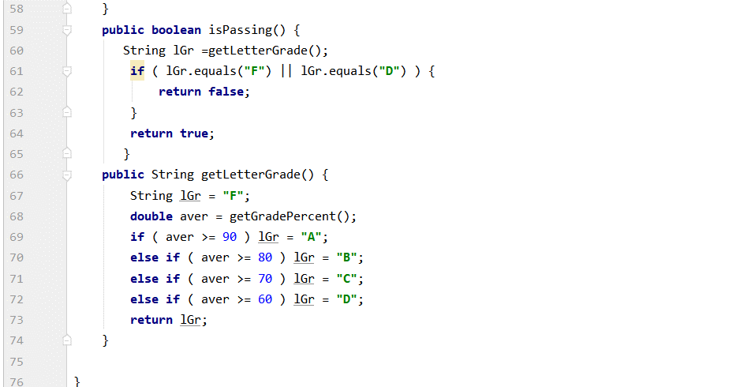
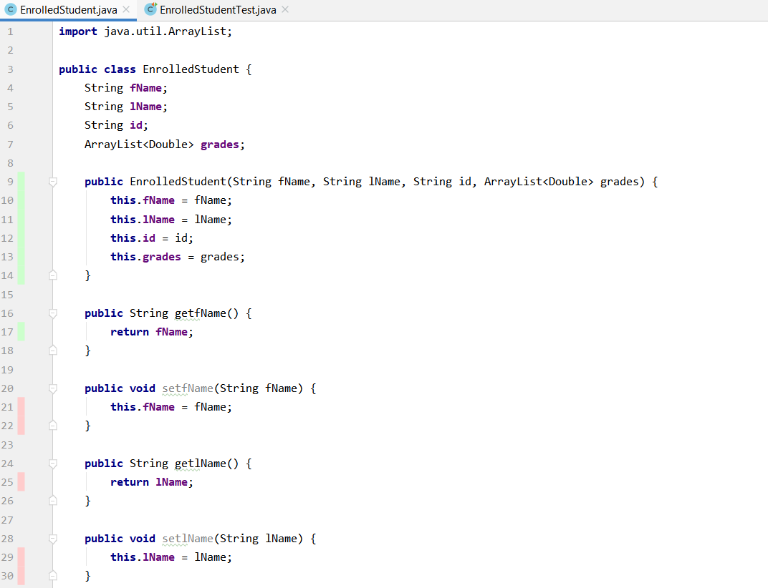

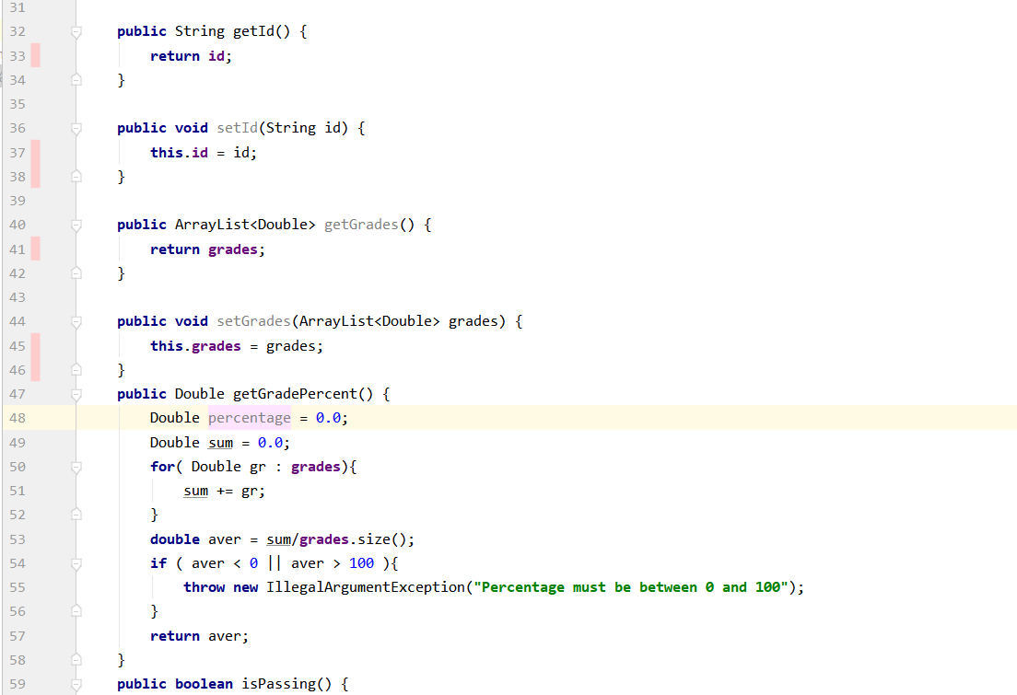
Add an Integer property called "DropLowestest"
if 0 then include all grades in this sum.
If set to "N" where N is > 0 - then drop the lowest 'N' score and make average use the other scores
If set to a Negative number then throw an execption
Change this method and write a proper set of tests to test it.
What to hand in:
- Your code.
- Your tests fully commented that clearly describe your test
- A screen shot showing ALL tests completed
- include in comments of EACH test ...
1-2 sentances that describe WHY you created it.

